1 - Summary
 CONFIDENTIAL DOCUMENT Global Technical Document

1 - Summary

a) Scope of this document
This document aims to define the global architecture, main technical aspects and the organization to implement a VoIP solutions in the Kyndryl
This is a working document for all VoIP project contributors, as well it serves as an information document for all the other agents.

Note for customer: Please read the entire document, it will give you an idea on the process and requirements followed by Axians. We'd like you to pay special attention to and to fill in the following sheets: > 2-Contacts: it will allow you and us to contact the right person if needed.

b) VoIP Objectives
Two goals: • VoIP equipment: - Verification of the proper configuration and operation of the equipment. • Operational procedures: - Determination and implementation of procedures that enable to operate and monitor the VoIP solutions and the associated equipment. - Definition of the Axians and Kyndryl relationship.

c) Service Presentation
it is a service configured to by Axians. The VoIP traffic between Kyndryl and Service Provider will be handled by the VoIP architecture

Services to provide: • Configuration the VoIP Solutions over Cisco Platform Services NOT provided: • Any service out of the contract of ACUNTIA

d) Roll-out
Axians separates the roll-out phase in various steps:
Phase 1: IP connectivity check: • Verify IP connectivity the VoIP equipments
Phase 2: Testing: • Verify and fine-tune VoIP equipment configuration. Test all the various call scenarios.
Phase 3: Target configuration: • Complete final configuration over the production network.

e) Supervision and Maintenance
The highlighted lines below are the main aspects. For further information please refer to the contract.
Maintenance • For the maintenance of the VoIP equipments supported by Axians, the process is the standardized.
Trouble reporting: • Please note that the Customer Support Centre (CSC) is at your disposal, if would you encounter any incident. All the details will be provided in the handover document at the launching of the VoIP solution.

3 - Architecture
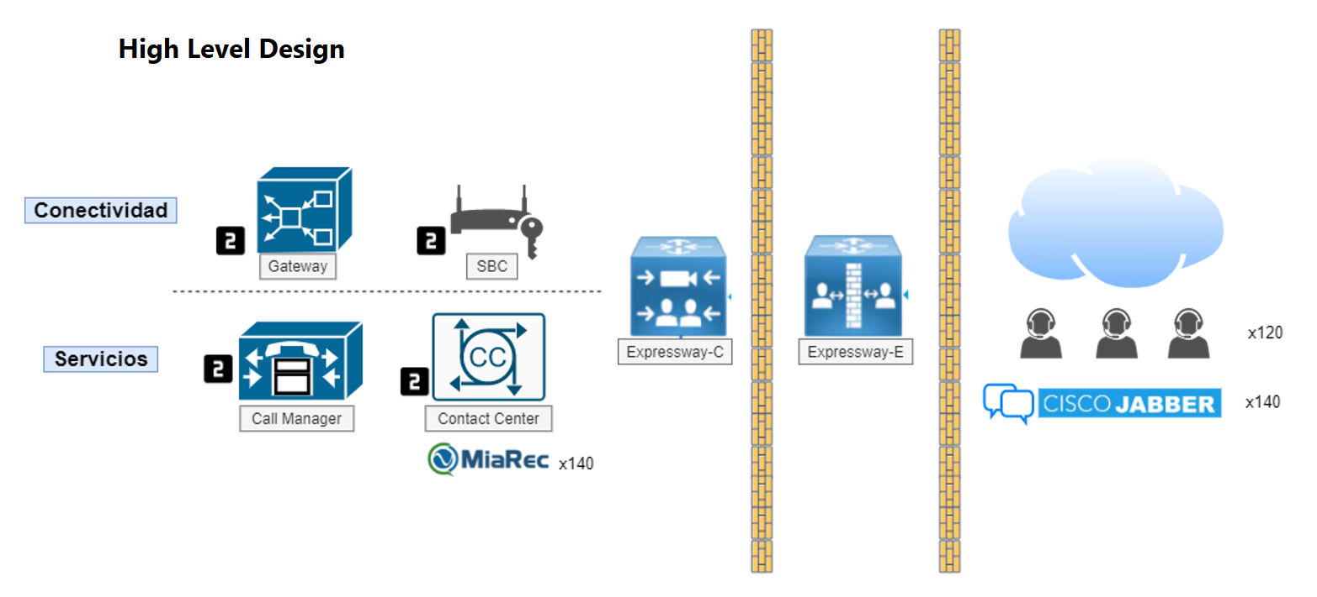
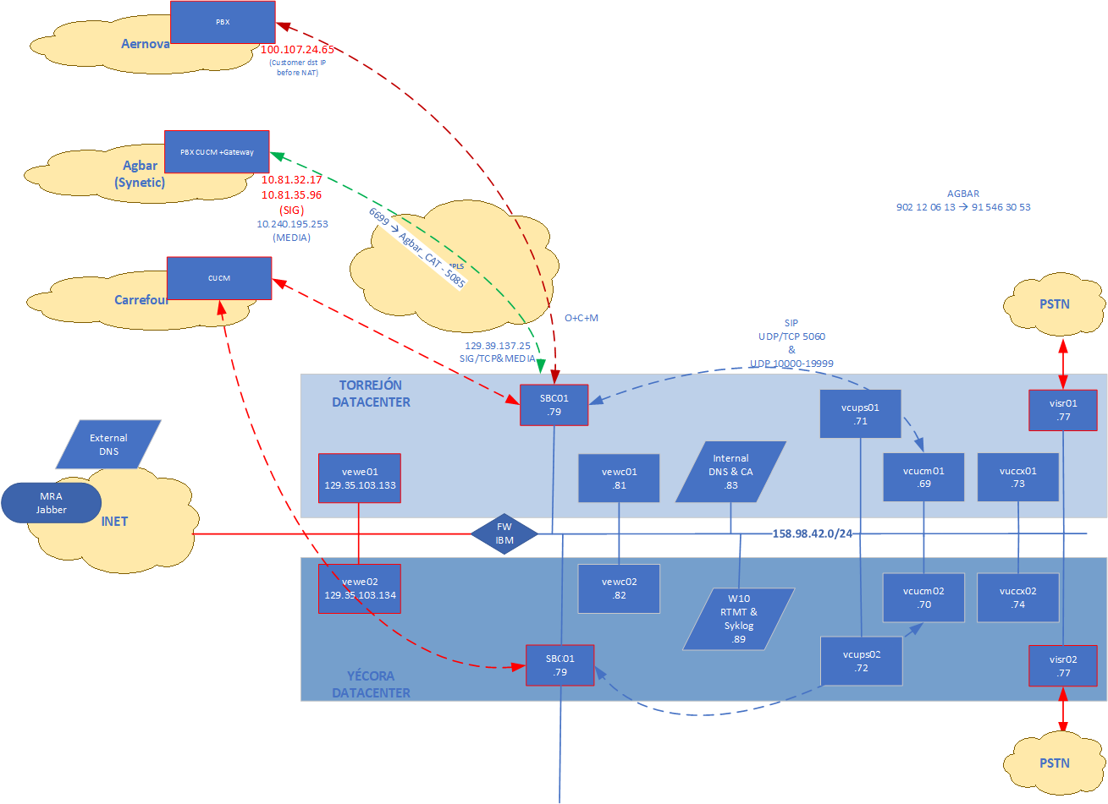
3 - Architecture

ACUNTIA VoIP Network

